TARMAC LOW grip
 |  | TARMAC SET-UP - LOW Grip |  |  |  |  |  |  |  |  | Version:
 |  |  |  |  |  |  |  |  |  |  | 2025-A
 |  | unit. | FRONT |  |  |  | REAR |  |  |  | Comments:
 |  |  | Left |  | Right |  | Left |  | Right
 | TYRES | Dimensions | 19/63-17 |  |  |  | 19/63-17 |  |  |  | Reference = Michelin
 | TYRE PRESSURE for set up | bar | 2.0 |  |  |  | 2.0 |  |  |  | New tyres for RH's reference

x
x
GEOMETRY | RIDE HEIGHT (RH) | mm | 245 |  |  |  | 410 |  |  |  | RH's Target recommended (Measurement points end of page)
 | Theoretical cup heights (CH) | mm | 120 |  | 125 |  | 65 |  | 70
 | FRONT: | 6 cup height rotation = 10mm of RH
 | REAR: | 5 cup height rotation = 10mm of RH
 | CAMBER | ° ' | -1°45 |  | -1°45 |  | -1°35 |  | -1°35
 | Theorical camber shims * | mm | 7.0 |  | 7.0 |  | 7 |  | 7 |  | * Thickness may vary from vehicle to an other
 | FRONT: | 0.1mm of shim = 0°07' to the wheel
 | REAR: | 1 shim step = 0°07' to the wheel
 | TOE | mm | 0.0 |  | 0.0 |  | 0.0 |  | 0.0
 | Theorical TOE Shims * | N° |  |  |  |  | C |  | C |  | * Thickness may vary from vehicle to an other
 | FRONT: | 1/2 of rod rotation = 0.75mm of Rod length = 2.0mm toe to the wheel.
 | Camber/ Toe incidence: | - 0°30' of camber variation = + 2.0mm toe to the wheel.
 | REAR: | 1 Shim step = 1mm to the wheel
 | Camber/ Toe incidence: | - 0°07' of camber variation = - 0.4 mm toe at the wheel
 | Wheelbase | mm | 2553 ( +/-10 ) |  |  |  |  |  |  |  | Homologated value

SUSPENSION | Minimum weight | Kg | W/o crew |  | 1080 |  | With Crew |  | 1240 |  | Category RC4 values
 | WHISHBONE | E1 Position | Low |  |  |  |  |  |  |  | Low position = Mandatory

 | MAIN SPRINGS | N/mm | 45 |  |  |  | 40.5
 | Helper springs | N/mm | 5 |  |  |  | 5
 | DAMPERS Setting ( clicks ) | Version | FT011 |  |  |  | RT022
 |  | Ways | c | C | R | PDS | c | C | R | PDS | Fully screw out of the number of clicks indicated
 |  | Clicks | 30 | 38 | 32 | 2 | 15 | 28 | 20 | 2
 | c= low speed compression / C= high speed compression / R= Rebound/ PDS= Progressive damping System ( hydraulic )
 | ANTIROLL BAR | mm | Ø | 15 |  |  | Ø | 22
 | ARB rod length | mm |  | 80 |  |  |  | 80

STEER | Steering rack height | mm | 10.0 |  | 10.0
 | M-POINT SPACER (HA) | mm | 5.0 |  | 5.0 |  |  |  |  |  | Recommended default Shims heights
 | M-POINT SPACER (BA) | mm | 1.0 |  | 1.0
 | Steering Pump nozzle | mm | Ø | 4 mm

BRAKES | Main master cylinder | mm | Ø 22,22
 | BRAKE PADS | Brand/model | Mintex / F4R |  |  |  | TM / Mix 2
 | BRAKE BALANCE | bar | 30 |  |  |  | 16
 | Handbrake MC | mm |  |  |  |  | Ø | 15mm

TRANS | Gearbox Ratio | Gears | 1 |  | 2 |  | 3 |  | 4 |  | 5 | Final drive
 |  | EVO Ratio | 12x29 |  | 17x31 |  | 17x25 |  | 22x26 |  | 21x20 | 12x54

 | DIFFERENTIAL | Friction Faces | 12 F |  | Ramps (°) |  | 27/57 |  | Preload |  | 120 N.m | Hot

FLUID | Recommendations
 |  |  |  |  | Type |  |  |  | Reference |  | Volume
 |  | Engine Oil : |  |  | 0 W 30 |  |  |  | PS97727A10 |  | 3.5 L (+1.5 L radia)
 |  | GearBox Oil : |  |  | 75 W 140 |  |  |  | 904895438A |  | 1 L (+0.1 L radia)
 |  | Steering Fluid : |  |  | LDS |  |  |  | 1615099680 |  | 2 L
 |  | Coolant : |  |  | PSA -35°C |  |  |  | 1637756480 |  | 6.5 L
 |  | Brake / Clutch Fluid : |  |  | BREMBO HTC64 |  |  |  | PS97633A10

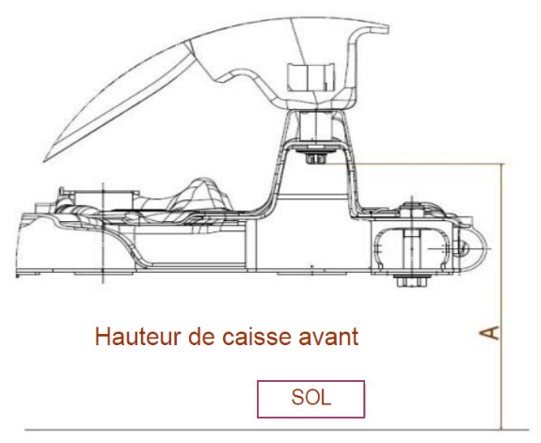
Front ride height
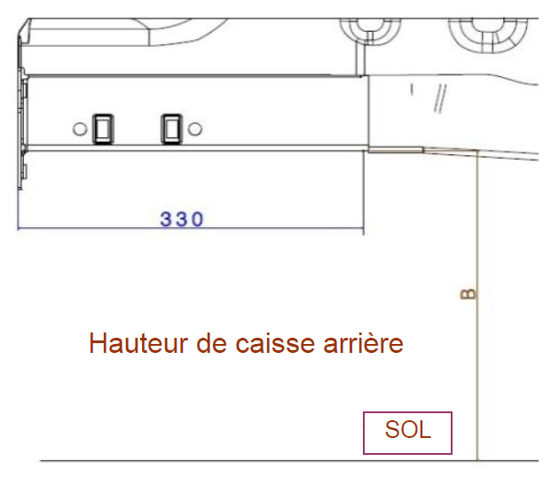
Rear rail
Rear ride height
Ground
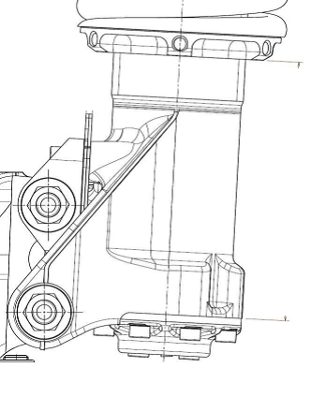
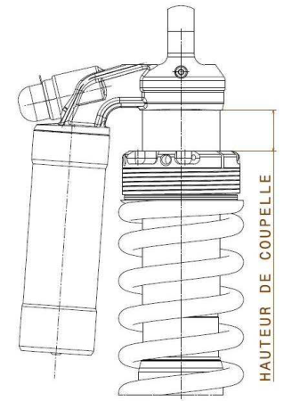
Cup heights

Ground

Steering rod length
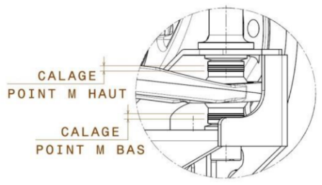
HA shims
HB shims
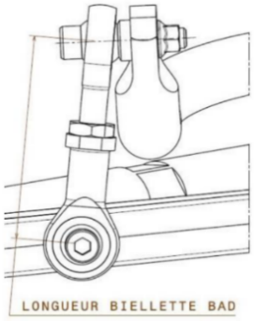
ARB rod length

TARMAC HIGH grip
 |  | TARMAC SET-UP - HIGH Grip |  |  |  |  |  |  |  |  | Version:
 |  |  |  |  |  |  |  |  |  |  | 2025-A
 |  | unit. | FRONT |  |  |  | REAR |  |  |  | Comments:
 |  |  | Left |  | Right |  | Left |  | Right
 | TYRES | Dimensions | 19/63-17 |  |  |  | 19/63-17 |  |  |  | Reference = Michelin
 | TYRE PRESSURE for set up | bar | 2.0 |  |  |  | 2.0 |  |  |  | New tyres for RH's reference

x
x
x
x
GEOMETRY | RIDE HEIGHT (RH) | mm | 245 |  |  |  | 410 |  |  |  | RH's Target recommended (Measurement points end of page)
 | Theoretical cup heights (CH) | mm | 120 |  | 125 |  | 65 |  | 70
 | FRONT: | 6 cup height rotation = 10mm of RH
 | REAR: | 5 cup height rotation = 10mm of RH
 | CAMBER | ° ' | -2°15 |  | -2°15 |  | -2° |  | -2°
 | Theorical camber shims * | mm | 6.4 |  | 6.4 |  | 10 |  | 10 |  | * Thickness may vary from vehicle to an other
 | FRONT: | 0.1mm of shim = 0°07' to the wheel
 | REAR: | 1 shim step = 0°07' to the wheel
 | TOE | mm | 0.0 |  | 0.0 |  | 0.0 |  | 0.0
 | Theorical TOE Shims * | N° |  |  |  |  | B |  | B |  | * Thickness may vary from vehicle to an other
 | FRONT: | 1/2 of rod rotation = 0.75mm of Rod length = 2.0mm toe to the wheel.
 | Camber/ Toe incidence: | - 0°30' of camber variation = + 2.0mm toe to the wheel.
 | REAR: | 1 Shim step = 1mm to the wheel
 | Camber/ Toe incidence: | - 0°07' of camber variation = - 0.4 mm toe at the wheel
 | Wheelbase | mm | 2553 ( +/-10 ) |  |  |  |  |  |  |  | Homologated value

SUSPENSION | Minimum weight | Kg | W/o crew |  | 1080 |  | With Crew |  | 1240 |  | Category RC4 values
 | WHISHBONE | E1 Position | Low |  |  |  |  |  |  |  | Low position = Mandatory

 | MAIN SPRINGS | N/mm | 51 |  |  |  | 47
 | Helper springs | N/mm | 5 |  |  |  | 5
 | DAMPERS Setting ( clicks ) | Version | FT011 |  |  |  | RT022
 |  | Ways | c | C | R | PDS | c | C | R | PDS | Fully screw out of the number of clicks indicated
 |  | Clicks | 30 | 38 | 32 | 2 | 15 | 28 | 20 | 2
 | c= low speed compression / C= high speed compression / R= Rebound/ PDS= Progressive damping System ( hydraulic )
 | ANTIROLL BAR | mm | Ø | 22 |  |  | Ø | 22
 | ARB rod length | mm |  | 80 |  |  |  | 80

STEER | Steering rack height | mm | 10.0 |  | 10.0
 | M-POINT SPACER (HA) | mm | 5.0 |  | 5.0 |  |  |  |  |  | Recommended default Shims heights
 | M-POINT SPACER (BA) | mm | 1.0 |  | 1.0
 | Steering Pump nozzle | mm | Ø | 4 mm

BRAKES | Main master cylinder | mm | Ø 22,22
 | BRAKE PADS | Brand/model | Mintex / F4R |  |  |  | TM / Mix 2
 | BRAKE BALANCE | bar | 30 |  |  |  | 16
 | Handbrake MC | mm |  |  |  |  | Ø | 15mm

TRANS | Gearbox Ratio | Gears | 1 |  | 2 |  | 3 |  | 4 |  | 5 | Final drive
 |  | EVO Ratio | 12x29 |  | 17x31 |  | 17x25 |  | 22x26 |  | 21x20 | 12x54

 | DIFFERENTIAL | Friction Faces | 12 F |  | Ramps (°) |  | 27/57 |  | Preload |  | 120 N.m | Hot

FLUID | Recommendations
 |  |  |  |  | Type |  |  |  | Reference |  | Volume
 |  | Engine Oil : |  |  | 0 W 30 |  |  |  | PS97727A10 |  | 3.5 L (+1.5 L radia)
 |  | GearBox Oil : |  |  | 75 W 140 |  |  |  | 904895438A |  | 1 L (+0.1 L radia)
 |  | Steering Fluid : |  |  | LDS |  |  |  | 1615099680 |  | 2 L
 |  | Coolant : |  |  | PSA -35°C |  |  |  | 1637756480 |  | 6.5 L
 |  | Brake / Clutch Fluid : |  |  | BREMBO HTC64 |  |  |  | PS97633A10

Front ride height
Rear rail
Rear ride height
Ground
Cup heights

Ground

Steering rod length
HA shims
HB shims
ARB rod length

GRAVEL
 |  | SET-UP - GRAVEL |  |  |  |  |  |  |  |  | Version:
 |  |  |  |  |  |  |  |  |  |  | 2025-B
 |  | unit. | FRONT |  |  |  | REAR |  |  |  | Comments:
 |  |  | Left |  | Right |  | Left |  | Right
 | TYRES | Dimensions | 17/65-15 LTX XL 92 |  |  |  | 17/65-15 LTX XL 92 |  |  |  | Reference = Michelin
 | TYRE PRESSURE for set up | bar | 2.0 |  |  |  | 2.0 |  |  |  | New tyres for RH's reference

x
x
GEOMETRY | RIDE HEIGHT (RH) | mm | 310.0 |  |  |  | 465.0 |  |  |  | RH's Target recommended (Measurement points end of page)
 | Theoretical cup heights (CH) | mm | 150.0 |  | 155.0 |  | 110.0 |  | 115.0
 | FRONT: | 6 cup height rotation = 10mm of RH
 | REAR: | 5 cup height rotation = 10mm of RH
 | CAMBER | ° ' | -1°50 |  | -1°50 |  | -1°35 |  | -1°35
 | Theorical camber shims * | mm | 5.5 |  | 5.5 |  | 7 |  | 7 |  | * Thickness may vary from vehicle to an other
 | FRONT: | 0.1mm of shim = 0°07' to the wheel
 | REAR: | 1 shim step = 0°07' to the wheel
 | TOE | mm | 0.0 |  | 0.0 |  | 0.0 |  | 0.0
 | Theorical TOE Shims * | N° |  |  |  |  | B |  | B |  | * Thickness may vary from vehicle to an other
 | FRONT: | 1/2 of rod rotation = 0.75mm of Rod length = 2.0mm toe to the wheel.
 | Camber/ Toe incidence: | - 0°30' of camber variation = + 2.0mm toe to the wheel.
 | REAR: | 1 Shim step = 1mm to the wheel
 | Camber/ Toe incidence: | - 0°07' of camber variation = - 0.4 mm toe at the wheel
 | Wheelbase | mm | 2553 ( +/-10 ) |  |  |  |  |  |  |  | Homologated value

SUSPENSION | Minimum weight | Kg | W/o crew |  | 1080 |  | With Crew |  | 1240 |  | Category RC4 values
 | WHISHBONE | E1 Position | Low |  |  |  |  |  |  |  | Low position = Mandatory

 | MAIN SPRINGS | N/mm | 40 |  |  |  | 36
 | Helper springs | N/mm | 5 |  |  |  | 5
 | DAMPERS Setting ( clicks ) | Version | FG010 |  |  |  | RG018
 |  | Ways | c | C | R | PDS | c | C | R | PDS | Fully screw out of the number of clicks indicated
 |  | Clicks | 30 | 30 | 30 | 2 | 30 | 30 | 30 | 2
 | c= low speed compression / C= high speed compression / R= Rebound/ PDS= Progressive damping System ( hydraulic )
 | ANTIROLL BAR | mm | Ø | 15 |  |  | Ø | 22
 | ARB rod length | mm |  | 80 |  |  |  | 80

STEER | Steering rack height | mm | 0.0 |  | 0.0
 | M-POINT SPACER (HA) | mm | 1.0 |  | 1.0 |  |  |  |  |  | Recommended default Shims heights
 | M-POINT SPACER (BA) | mm | 5.0 |  | 5.0
 | Steering Pump nozzle | mm | Ø | 4 mm

BRAKES | Main master cylinder | mm | Ø 22,22
 | BRAKE PADS | Brand/model | TM / Mix 1 |  |  |  | TM / Mix 1
 | BRAKE BALANCE | bar | 30 |  |  |  | 16
 | Handbrake MC | mm |  |  |  |  | Ø | 15mm

TRANS | Gearbox Ratio | Gears | 1 |  | 2 |  | 3 |  | 4 |  | 5 | Final drive
 |  | EVO Ratio | 12x29 |  | 17x31 |  | 17x25 |  | 22x26 |  | 21x20 | 12x54

 | DIFFERENTIAL | Friction Faces | 12 F |  | Ramps (°) |  | 42/63 |  | Preload |  | 120 N.m | Hot

FLUID | Recommendations
 |  |  |  |  | Type |  |  |  | Reference |  | Volume
 |  | Engine Oil : |  |  | 0 W 30 |  |  |  | PS97727A10 |  | 3.5 L (+1.5 L radia)
 |  | GearBox Oil : |  |  | 75 W 140 |  |  |  | 904895438A |  | 1 L (+0.1 L radia)
 |  | Steering Fluid : |  |  | LDS |  |  |  | 1615099680 |  | 2 L
 |  | Coolant : |  |  | PSA -35°C |  |  |  | 1637756480 |  | 6.5 L
 |  | Brake / Clutch Fluid : |  |  | BREMBO HTC64 |  |  |  | PS97633A10

Front ride height
Rear rail
Rear ride height
Ground
Cup heights

Ground

Steering rod length
HA shims
HB shims
ARB rod length

